AXIS112
AXIS112 | Axis Fixed Term Plan - Series 112 (1143 Days)

 | Monthly Portfolio Statement as on October 31, 2023
 | Name of the Instrument | ISIN | Industry / Rating | Quantity | Market/Fair Value (Rs. in Lakhs) | % to Net Assets | YTM~ | YTC^ | null
 | Debt Instruments
 | (a) Listed / awaiting listing on Stock Exchange
GOI4656 | 7.40% Government of India (19/03/2026) | IN000326C040 | Sovereign | 4,726,000 | 3,974.32 | 56.86% | 7.54%
GOI4747 | 7.36% Government of India (12/03/2026) | IN000326C057 | Sovereign | 3,532,800 | 2,975.09 | 42.56% | 7.54%
 | Sub Total |  |  |  | 6,949.41 | 99.43%
 | (b) Privately placed / Unlisted |  |  |  | NIL | NIL
 | Sub Total |  |  |  | NIL | NIL
 | Total |  |  |  | 6,949.41 | 99.43%
 | Reverse Repo / TREPS
TRP_011123 | Clearing Corporation of India Ltd |  |  |  | 10.10 | 0.14% | 6.76%
 | Sub Total |  |  |  | 10.10 | 0.14%
 | Total |  |  |  | 10.10 | 0.14%
 | Net Receivables / (Payables) |  |  |  | 30.03 | 0.43%
 | GRAND TOTAL |  |  |  | 6,989.54 | 100.00%

 | ~ YTM as on October 31, 2023
 | ^ YTC represents Yield to Call provided by valuation agencies as on October 31, 2023. It is disclosed for Perpetual Bond issued by Banks (i.e. AT-1 Bond / Tier 1 Bond / Tier 2 Bond), as per AMFI Best Practices Guidelines Circular no. 135/BP/91/2020-21 read with SEBI circular No. SEBI/HO/IMD/DF4/CIR/P/2021/034 on Valuation of AT-1 Bonds and Tier 2 Bonds.

 |  | Benchmark Name - CRISIL MEDIUM TERM DEBT INDEX
 | Scheme Risk-O-Meter | Benchmark Risk-O-Meter
 | 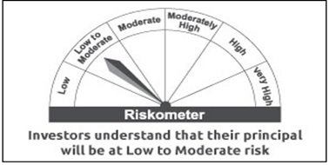 | 

